Thermal Buoyancy
 |  |  |  | Input in green
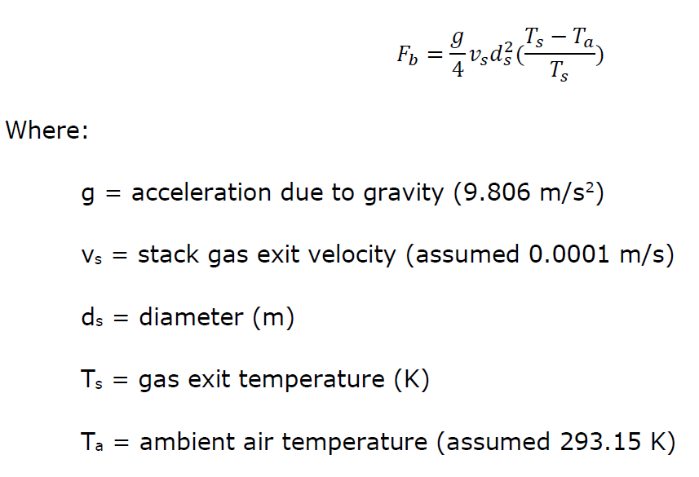
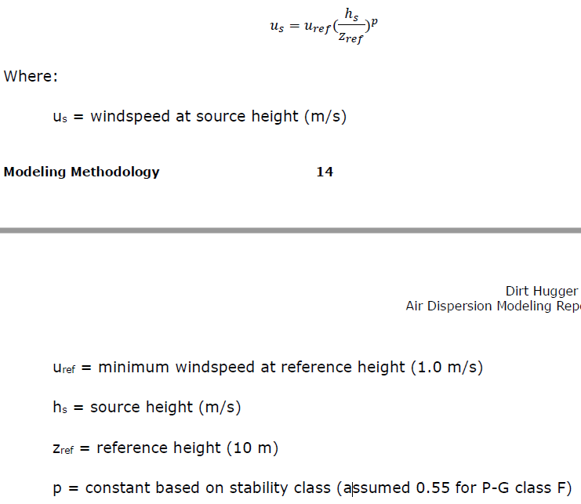
 |  |  |  |  | BF1 | BF3 | BF4 | FIN | TW2 | ASP
g | 9.806 | m/s2 |  | Width (m) | 9.20 | 9.00 | 9.00 | - | - | 1.60
Ta | 293.15 | K |  | Length (m) | 23.00 | 26.20 | 26.20 | - | - | 1.73
Vs | 0.0001 | m/s |  | Area (m2) | 211.6 | 235.8 | 235.8 | 3252 | 10101 | 2.8
Zref | 10 | m |  | ds (m) | 16.4 | 17.3 | 17.3 | 64.3 | 113.4 | 1.9
Uref | 1 | m/s |  | Volume source width (m) | 16.4 | 17.3 | 17.3 | 64.3 | 113.4 | 1.9
p | 0.55 | - |  | Source height (m) | 1.22 | 1.22 | 1.22 | 4 | 1.5 | 2
Lapse rate | 0.035 | K/m |  | T (°C) | 40 | 40 | 40 | 35 | 45 | 40
 |  |  |  | T (K) | 313.15 | 313.15 | 313.15 | 308.15 | 318.15 | 313.15
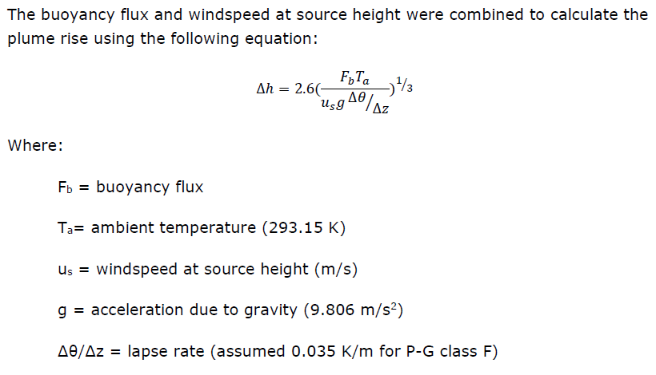
 |  |  |  | Fb | 0.004 | 0.005 | 0.005 | 0.049 | 0.248 | 0.0001
 |  |  |  | Us (m/s) | 0.31 | 0.31 | 0.31 | 0.60 | 0.35 | 0.41
 |  |  |  | Dh (m) | 5.9 | 6.1 | 6.1 | 10.7 | 21.9 | 1.3
 |  |  |  | Plume height (m) | 7.1 | 7.3 | 7.3 | 14.7 | 23.4 | 3.3
 |  |  |  | Release height (m) | 3.5 | 3.6 | 3.6 | 7.4 | 11.7 | 1.6
 |  |  | 4.3 | Sigma Y (m) | 3.8 | 4.0 | 4.0 | 15.0 | 26.4 | 0.4
 |  |  | 4.3 | Sigma Z (m) | 1.6 | 1.7 | 1.7 | 3.4 | 5.5 | 0.8
 |  |  |  | Exclusion zone (m) | 9.2 | 9.7 | 9.7 | 33.2 | 57.7 | 1.9

